GDM Overview
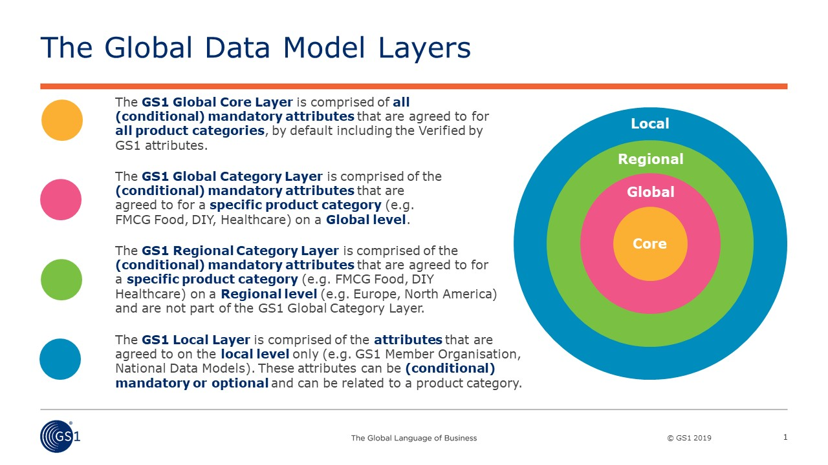
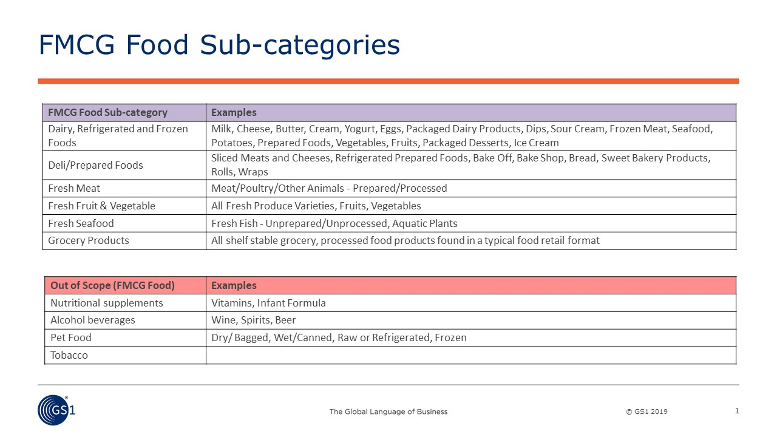

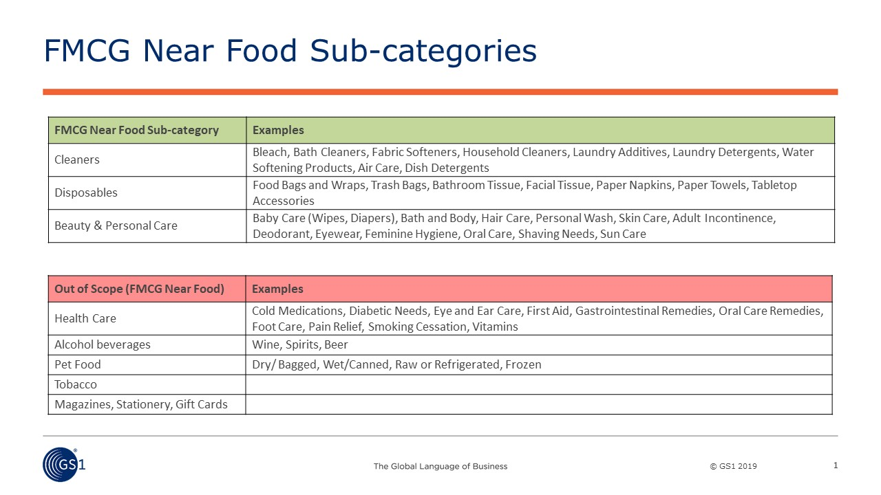

Definition of Conditional Mandatory Terms
Attributes within the Global and Regional layers may be designated as Mandatory or Conditional Mandatory. For Conditional Mandatory attributes, the "Conditional Mandatory Reason" column in each product category tab provides one or more keywords that describe the high level criteria for that condition. Additional information describing the Condition is provided in the "Detailed Conditional Reason" column. Definitions of the Conditional Mandatory keywords are provided below:
Keyword | Definition
Attribute Dependency | The condition depends on the presence/absence or value of another attribute
File | The attribute is applicable only if a digital asset is available
Hierarchy | The condition applies to products at specific levels of the packaging hierarchy
On Label | The condition applies if the specified information is printed on the package/label
Product Classification | The condition applies to products included in specific Global Product Category Codes (i.e., GPC bricks)
Product Characteristics | The condition is dependent on the user's knowledge of characteristics of the product that cannot be determined from other attributes in the data exchange
Regulation | The condition may be subject to one or more local regulations
Supplier | The condition applies if the supplier determines that it is important or required for their data exchange
Target Market | The condition may apply only to certain countries or areas within a Region
Trading Partner Agreement | Exchange of the attribute may be required based on agreement between trading partners
Variety Pack | The condition applies to variety pack products
Geography | This keyword has been replaced with "Target Market"
Product | This keyword has been removed/replaced, as the new keywords provide more specific information about how the condition relates to a product

GDM Statistics
FMCG Near Food Global Data Model 121 Attributes
FMCG Alcoholic Beverages Global Data Model 121 Attributes
 | Global Core | Global Layer | Regional Layer | Total Attributes | Change Information
Food | 54 | 30 | 64 | 148 | Change Type | WR Number | Detailed Change Information | Release Version
Near Food | 54 | 12 | 55 | 121 | Update | WR-21-155 | Attribute BMS ID 3504 removed from the GDM. Reduce number of attributes in Global Core from 55 to 54. | 2.1
Pet Food | 54 | 6 | 54 | 114 | Update | WR-21-247 | Atribute BMS IDs 880, 1029, 1367, 2180, 3074, 3383, 3385 and 5891 removed from the GDM. Reduce number of Regional attributes in all product categories. | 2.1
Alcoholic Bev | 54 | 21 | 46 | 121
Tobacco | 54 | 1 | 27 | 82

Total Unique Attributes: |  | 187
FMCG Food Global Data Model 148 Attributes

FMCG Pet Food Global Data Model 114 Attributes
FMCG Tobacco Global Data Model 82 Attributes

